Dashboard
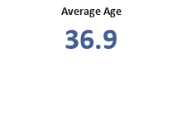
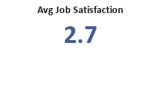
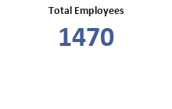
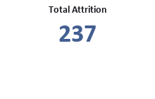
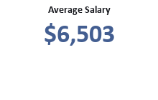

Attrition by Department
Employee Count by Gender

Employee Count by Job Role
Employee Count by Income Group

Employee Count by Age Group
Employee Count by Education

Attrition by OverTime
Employee Count by Job Satisfaction

Final Insights
● Sales department me attrition sabse zyada hai.
● Overtime karne wale employees me attrition rate high hai.
● 26–35 age group me attrition sabse zyada hai.
● Low salary employees company chhodne ki probability zyada rakhte hain.
● Work-Life Balance aur Job Satisfaction attrition ko influence karte hain.

